Transaction Flow Real Example
 | TRANSACTION FLOW DIAGRAM
 | The transaction mapping tables in the previous tabs enforces rules to be applied to govern the flow of transactions in the system.

 | The example below ilustrates how those rules apply in rentals management, specifically the rent account transactions.

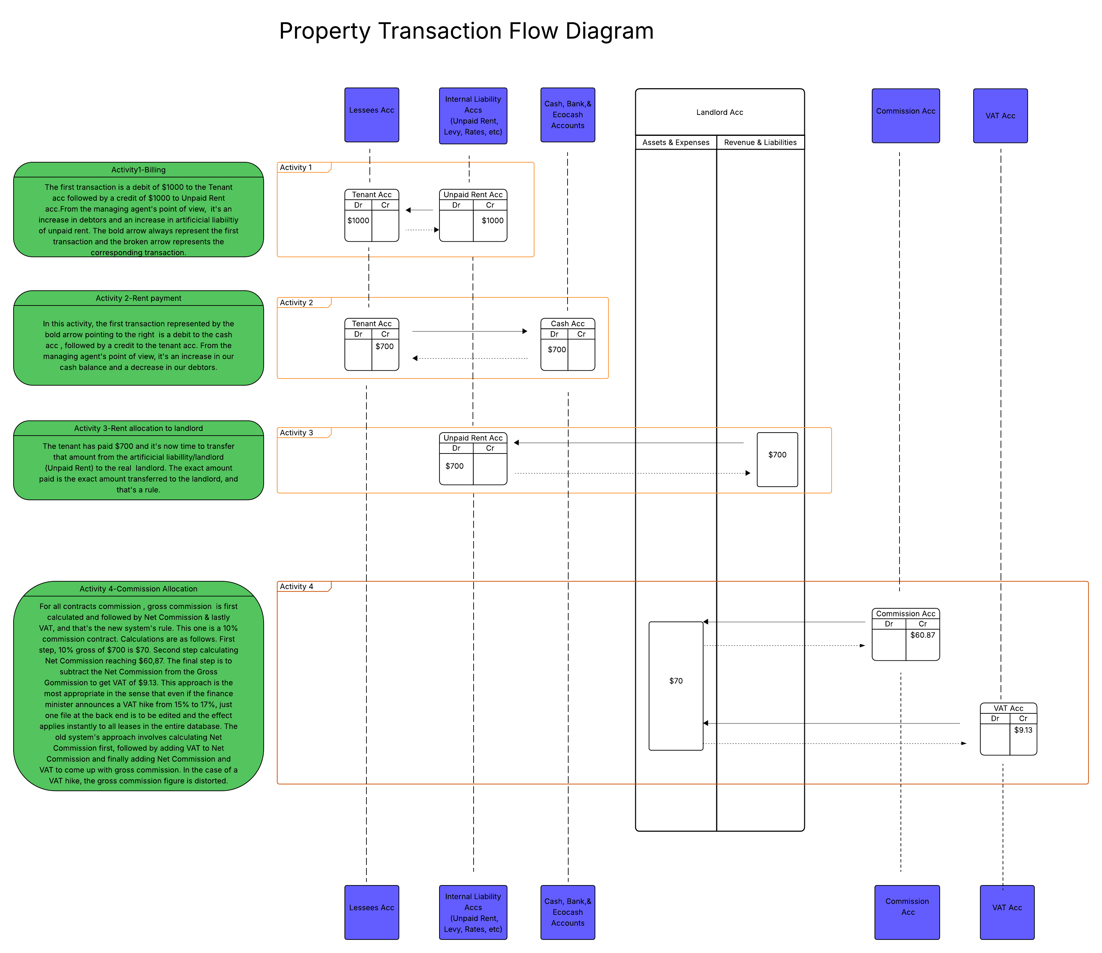

 | Indepth Analyses

 | The sequence of transactions and the mapping rules are the lifeline of the new software. Let's now dive deeper into the sequence of transactions.

 | On activity 1 we have the creation of tenant/customer invoice, or tenant billing, or tenant rent charge generation, all depending on how one best defines it.
 | In the example on the diagram, the tenant has been billed/charged $1000 rent on the first day of the month.
 | The first transaction is a debit of $1000 to the Tenant acc followed by a credit of $1000 to Unpaid Rent acc

 | In basic scholarly accounting, the transaction would have been recorded as a debit of $1000 to the tenant account, followed by a credit entry of $1000 to the landlord's account.
 | In basic accounting, income is recorded even though the customer has not yet paid anything and that is why we have provisions for bad debts.

 | In real estate accounting, this basic accounting approach doesn't work since the landlord can come and claim their $1000 after having been informed that their account has been credited with $1000.
 | As the managing agent, if we proceed to pay the landlord simply because their account has recorded an income of $1000 upon generation of tenant's invoice, we risk paying out cash which might never be recovered if the tenant fails to pay.
 | To deal with that problem, we make use of the Unpaid Rent Acc which stands in place of the landlord. This account is an artificial account representing all the landlords' accounts when payment has not been made by the tenant.
 | This artificial landlord account is sort of an artificial persona, acting on behalf of a real person, the landlord, until a payment is made.

 | Below is what the activity 1 transactions look like, tenant account being debited with the monthly rent charge and the Unpaid Rent account being credited with the amount that was supposed to credit the landlord's rent income account.

 | ACTIVITY 1-BILLING/INVOICING

 | TENANT ACC-ACTIVITY 1- TRANSACTION No. 1 |  |  |  | Statement

 |  |  |  |  | Tenant: Moyo B -14 Palm Heights
 |  |  |  |  | Account No:22055
 |  |  |  |  | Code:TN/22055
 |  |  |  |  | Lease ID- 25001
 |  |  |  |  | Account Currency:USD
 |  |  |  |  | Transaction Period:2026-02-01 - 2026-03-01

 |  |  |  |  | TRANSACTION ID | Date | Contra Acc | Ref | Description | Debit | Credit | Balance
 |  |  |  |  |  | 2026-02-01 |  |  | Balance brought forward |  |  | 0
 |  |  |  |  | 10011 | 2026-02-01 | 6000/010 | INV-226379 | Feb Rent Charge- Lease ID 25001 | 1000 |  | 1000

 |  |  |  |  |  |  |  |  |  | 1000 |  | 1000

 | UNPAID RENT ACC-ACTIVITY 1-TRANSACTION No. 2 |  |  |  | Statement

 |  |  |  |  | Account Name:Unpaid rent USD
 |  |  |  |  | Code :6000/010
 |  |  |  |  | Account Currency:USD
 |  |  |  |  | Transaction Period:2026-02-01 - 2026-02-01

 |  |  |  |  | TRANSACTION ID | Date | Contra Acc | Ref | Description | Debit | Credit | Balance
 |  |  |  |  |  | 2026-02-01 |  | Contra Acc | Balance brought forward |  |  | 78300
 |  |  |  |  | 10012 | 2026-02-01 | TN/22055 | INV-226379 | Feb Rent Charge- Lease ID 25001 |  | 1000 | 79300

Note: | Our real estate accounting approach is pure cash based. For as long as the tenant doesn't pay any amount to settle their rental invoice, we remain on activity 1.

 | ACTIVITY 2-RENT PAYMENT

 | Activity 2 is triggered when a tenant makes payment. In the above main diagram, the makes a part payment of $700. let's assume that this payment has been made on the 10 of the month, more than a week after the tenant billing was done.
 | This payment gives us another set of transactions, a debit of $700 to Cash acc followed by a credit of $700 to the tenants, account.

 | CASH ACC -ACTIVITY 2 TRANSACTION No.3 |  |  |  | Statement

 |  |  |  |  | Account Name:CASH USD
 |  |  |  |  | Account Currency:USD
 |  |  |  |  | Transaction Period:2026-02-10 - 2026-02-10

 |  |  |  |  | TRANSACTION ID | Date | Contra Acc | Ref | Description | Debit | Credit | Balance
 |  |  |  |  |  | 2026-02-10 |  |  | Balance brought forward |  |  | 69500
 |  |  |  |  | 10013 | 2026-02-10 | TN/22055 | RCT-314768 | Rent Payment-CASH USD-Moyo B-14 Palm Heights- Lease ID 25001 Ref-Moyo Brian-Feb rent | 700 |  | 70200
 |  |  |  |  |  |  |  |  |  | 700 | 0 | 70200

 | TENANT ACC-ACTIVITY 2 TRANSACTION No. 4 |  |  |  | Statement

 |  |  |  |  | Tenant: Moyo B 14 Palm Heights
 |  |  |  |  | Account No:22055
 |  |  |  |  | Code:TN/22055
 |  |  |  |  | Lease ID-25000
 |  |  |  |  | Account Currency:USD
 |  |  |  |  | Transaction Period:2026-02-01 - 2026-03-01

 |  |  |  |  | TRANSACTION ID | Date | Contra Acc | Ref | Description | Debit | Credit | Balance
 |  |  |  |  |  | 2026-02-01 |  |  | Balance brought forward |  |  | 0
 |  |  |  |  | 10011 | 2026-02-01 | 6000/010 | INV-226379 | Feb Rent Charge- Lease ID 25001 | 1000 |  | 1000
 |  |  |  |  | 10014 | 2026-02-10 | 4000/001 | RCT-314768 | Rent Payment-CASH USD-Moyo B-14 Palm Heights- Lease ID 25001 Ref-Moyo Brian-Feb rent |  | 700 | 0
 |  |  |  |  |  |  |  |  |  | 1000 | 700 | 300

 | ACTIVITY 3-RENT PAYMENT TRANSFER TO LANDLORD ACC

 |  | Now that the tenant has made a payment, activity 3 is triggered, as a predefined activity.
 |  | The $1000 that was credited to the Unpaid Rent (Artificial Landlord) is now lessened by $700 paid by the tenant. This transaction initiates a long awaited movement to the landlord account.
 |  | It is worth noting that the transfer to the landlord account is not always the entire amount in Unpaid Rent (artificial landlord) acc, but the actual amount that was paid, hence the transfer (Transaction ID10015) of $700 as paid.
 |  | In other instances the whole $1000 is transferred from this landlord proxy account to the real landlord, the reason being that the tenant would have settled his rent arrears in full.

 | UNPAID RENT ACC-ACTIVITY 3-TRANSACTION No. 5 Transaction ID 10015 is the 5th transaction initiates a transfer of funds to the real liability, the landlord (Dube Kennedy). This transfer is based on the cash receipt of $700 which now needs to be credited to the landlord. |  |  |  | Statement

 |  |  |  |  | Account Name:Unpaid rent USD
 |  |  |  |  | Account Currency:USD
 |  |  |  |  | Transaction Period:2026-02-01 - 2026-02-01

 |  |  |  |  | TRANSCATION ID | Date | Contra Acc | Ref | Description | Debit | Credit | Balance
 |  |  |  |  |  | 2026-02-01 |  |  | Balance brought forward |  |  | 78300
 |  |  |  |  | 10012 | 2026-02-01 | TN/22055 | INV-226379 | Feb Rent Charge- Lease ID 25001 |  | 1000 | 79300
 |  |  |  |  | 10015 | 2026-02-10 | LD/3000 | RCT-314768 | Rent Payment-CASH USD-Moyo B-14 Palm Heights- Lease ID 25001 Ref-Moyo Brian-Feb rent | 700
 |  |  |  |  |  |  |  |  |  | 700 | 1000 | 78600

 | LANDLORD ACC -ACTIVITY 3-TRANSACTION No. 6. This is a transfer from internal liability Unpaid Rent, to the real liabililty, the landlord (Dube Kennedy). It is a corresponding entry that completes the double entry rule which states that for every debit entry there is a credit entry. When a single copy of the landlord's account is printed on a hard copy and placed on the table, in the landlord's eyes it is his income, while in the eyes of the managing agent it is their liability. |  |  |  | Statement

 |  |  |  |  | Landlord: Dube Kennedy 14 Palm Heights
 |  |  |  |  | Category: RENT
 |  |  |  |  | Account No. :3000
 |  |  |  |  | Code:LD/3000
 |  |  |  |  | Contract: Levy Management
 |  |  |  |  | Account Currency:USD
 |  |  |  |  | Transaction Period:2026-02-01 - 2026-02-28

 |  |  |  |  | TRANSACTION ID | Date | Conta Acc | Ref | Description | Debit | Credit | Balance
 |  |  |  |  |  | 2026-02-10 |  |  | Balance brought forward |  |  | 120
 |  |  |  |  | 10016 | 2026-02-10 | 6000/010 | RCT-314768 | Rent Payment-CASH USD-Moyo B-14 Palm Heights- Lease ID 25001 Ref-Moyo Brian-Feb rent |  | 700 | 920
 |  |  |  |  |  |  |  |  |  | 70 | 700 | 920

 | ACTIVITY 4-COMMISSION ALLOCATION
 |  | The current software caluclates Net commisson first, then adds VAT on top of the Net Commission to finally come up with the Gross Commission amount.
 |  | The major drawback of this approach is that when VAT percentages change, like we have witnessed at the beginning of the year, when VAT was increased from 15% to 15.5%
 |  | Gross commission calculation is distorted due to that increase, so it results in accounting officers having to change the commission percentage for every lease, which significantly affects workflow efficiency.
 |  | Mistakes are also possible if we are to change different percentages.

 |  | The agreement made between the landlord and the managing agent is that commission of 10% inclusive of 15% VAT is to be deducted from all rent payments as management commission.
 |  | We can now make comparisons between the old approach calculations and new approach calculations based on the example of $700 payment by Moyo B in the current example.

 |  | Approach | Rent payment ($) | Net Commission % | Net Commission ($) | VAT on Net Commission | VAT ($) | Gross Commission ($)
 |  | Old Approach at 15% | 700 | 8.69% | 60.83 | 15.00% | 9.12 | 69.95
 |  | Old Approach at 15.5% | 700 | 8.69% | 60.83 | 15.50% | 9.43 | 70.26

 |  | The current system fails to achieve a high degree of accuracy, both when VAT was 15% and when it was reviewed upwards to 15.5%

 |  | You can try to be smart by adjusting the net commission percentage to 8.70 perent ,such that when when you add 15% VAT on Net Commission value you can arrive at $70 accurate gross commission but you never win. Why?
 |  | This is so because the net commission percentage is being rounded off at the intermediate stage before calculating the net commission.

 |  | Let's now try to round adjust upwards the Net Commission percentage to prove this claim, on the table below

 |  | Approach | Rent payment ($) | Net Commission % | Net Commission ($) | VAT on Net Commission | VAT ($) | Gross Commission ($)
 |  | Old Approach at 15% | 700 | 8.70% | 60.90 | 15.00% | 9.14 | 70.04
 |  | Old Approach at 15.5% | 700 | 8.70% | 60.90 | 15.50% | 9.44 | 70.34

 |  | We can now see that the gross commission deducted from the landlord's account has a variance of 4 cents, quite a significant amount to distort statements.
 |  | The distortion is even worse when we look at it from the time when 15.5% was introduced. It rises from 4 cents to 34 cents, making it necessary to correct thousands of leases one after the other.

 |  | In summary ,the current/old approach fails to :
 |  | 1 | Achieve high degree of accuracy required for financial reporting
 |  | 2 | Maintain accuracy when VAT percentage changes

 |  | We can now shift to the new approach that solves these two problems.

 |  | Approach | Rent payment ($) | Gross Commission % | Gross Commission ($) | Gross Commission percentage net of VAT | Net Commission ($) | VAT on Net Commission($)
 |  | New Approach at 15% | 700 | 10.00% | 70.00 | 86.96% | 60.87 | 9.13
 |  | New Approach at 15.5% | 700 | 10.00% | 70.00 | 86.58% | 60.61 | 9.39

 |  | The new approach works perfectly well!!! It gives 100% accuracy we have always wanted.
 |  | When VAT was 15% in year 2025, the VAT deudcted from the $700 payment was $9.13 but when VAT rose to 15.5%, the VAT deducted rose to $9.39.
 |  | In this case, the burden of that small shift is carried by the managing agent. The Net Commission fully benefitting the managing agent dropped from $60.87 to $60.61.
 |  | This leaves the managing agent without any complaints from the landlord for an overcharge , at the same time without inviting trouble with Zimra.

 |  | In summary:
 |  | 1 | The current software caluclates Net commisson first, then adds VAT on top of the Net Commission to finally come up with the Gross Commission amount.
 |  | 2 | The new software first calculates the Gross Commission, then the Net Commission, and lastly VAT.

 |  | We can now look at how the Commission Acc and VAT Charge Acc look like in our new software

 | LANDLORD ACC -ACTIVITY 4-TRANSACTION No. 7 GROSS COMMISSION ALLOCATION |  |  |  | Statement

 |  |  |  |  | Landlord: Dube Kennedy 14 Palm Heights
 |  |  |  |  | Category: RENT
 |  |  |  |  | Account No. :3000
 |  |  |  |  | Code:LD/3000
 |  |  |  |  | Account Currency:USD
 |  |  |  |  | Transaction Period:2026-02-01 - 2026-02-28

 |  |  |  |  | TRANSACTION ID | Date | Acc | Ref | Description | Debit | Credit | Balance
 |  |  |  |  |  |  |  |  | Balance brought forward |  |  | 120
 |  |  |  |  | 10016 | 2026-02-10 | 6000/010 | RCT-314768 | Rent Payment-CASH USD-Moyo B-14 Palm Heights- Lease ID 25001 Ref-Moyo Brian-Feb rent |  | 700 | 920
 |  |  |  |  | 10017 | 2026-02-09 | 1000/010 | CMA-301652 | Rent Commission-CASH USD-Moyo B-14 Palm Heights- Lease ID 25001 Ref-Moyo Brian-Feb rent | 70 |  | 850
 |  |  |  |  |  |  |  |  |  | 70 | 700 | 850

 | COMMISSION ACC-ACTIVITY 4-TRANSACTION NO. 8 NET COMMISSION ALLOCATION |  |  |  | Statement

 |  |  |  |  | Account Name:Commission USD
 |  |  |  |  | Code:1000/010
 |  |  |  |  | Account Currency:USD
 |  |  |  |  | Transaction Period:2026-02-10 - 2026-02-10

 |  |  |  |  | TRANSACTION ID | Date | Contra Acc |  | Description | Debit | Credit | Balance
 |  |  |  |  |  | 2026-02-10 |  |  | Balance brought forward |  |  | 7500
 |  |  |  |  | 10018 | 2026-02-10 | LD/3000 | CMA-301652 | Rent Commission-CASH USD-Moyo B-14 Palm Heights- Lease ID 25001 Ref-Moyo Brian-Feb rent |  | 60.87 | 7560.87
 |  |  |  |  |  |  |  |  |  | 0 | 60.87 | 7560.87

 | VAT ACC-ACTIVITY 4-TRANSACTION No. 9 VAT ALLOCATION |  |  |  | Statement

 |  |  |  |  | Account Name:Company VAT
 |  |  |  |  | Category: Liabilty
 |  |  |  |  | CODE- 6100/010
 |  |  |  |  | Account Currency:USD
 |  |  |  |  | Transaction Period:2026-02-10 - 2026-02-10

 |  |  |  |  | TRANSACTION ID | Date | Conta Acc | Ref | Description | Debit | Credit | Balance
 |  |  |  |  |  | 2026-02-10 |  |  | Balance brought forward |  |  | 978
 |  |  |  |  | 10018 | 2026-02-10 | LD/3000 | CMA-301652 | VAT-Rent Commission-CASH USD-Moyo B-14 Palm Heights- Lease ID 25001 Ref-Moyo Brian-Feb rent |  | 9.13 | 987
 |  |  |  |  |  |  |  |  |  | 0 | 9.13 | 987.13

 |  |  |  |  |  | ACTIVITY SUMMARY
 |  |  |  |  |  | ACTIVITY 1 | Billing/Invoicing
 |  |  |  |  |  | ACTIVITY 2 | Receipting
 |  |  |  |  |  | ACTIVITY 3 | Transfer of income to landlord acc
 |  |  |  |  |  | ACTIVITY 4 | Commission calculation and allocation
 |  |  |  |  |  | ACTIVITY 5 | Posting of expenses

Notes

1 | We have a total of 7 automated transactions for a receipt. In the above example, the receipt of $700 starts with transaction ID10013 and lastly transaction ID 10019, that are recorded instantly without a perceptible delay, in the blink of an eye.
 | Automation engine plays an important role in recording these 7 transactions from Activity 2 to 4.
 | Activity 2 triggers automation up until activity 4

2 | It is worth noting that the transaction flow sequence adhered to the mapping rules. There is no cross-category flow. The tenant sub-account from billing to payment is Rent. The landlord sub-account credited is Rent and the Unpaid Account is Rent.

3 | Activity 5 is posting of expenses to their general ledger accounts. This is done by the one responsible for posting expenditure items.

4 | The last part of a transaction , highlighted in orange after the word Ref, is the description written by the cashier upon receipting.
 | Looking at transaction 10013 Rent Payment-CASH USD-Moyo B-14 Palm Heights- Lease ID 25001 Ref-Moyo Brian-Feb rent , the part in orange is what the cashier has added in her transaction description field while posting a receipt.
 | The first part of the description in blue is what the system generates as a description. It is the system's default description that cannot be altered.

 | CHART OF ACCOUNTS

 | Account Category | Account Name | Code USD | Code ZWG
 | INCOME
 | Income | Commission | 1000/010 | 1000/510

 | EXPENSES
 | Operating Expenses | Routine Maintenance | 2000/001 | 2000/501
 | Operating Expenses | General Repairs | 2000/002 | 2000/502
 | Operating Expenses | Utilities | 2000/003 | 2000/503
 | Operating Expenses | Salaries & Wages | 2000/004 | 2000/504
 | Operating Expenses | Electricity | 2000/005 | 2000/505
 | Operating Expenses | Rates | 2000/006 | 2000/506
 | Operating Expenses | Refuse collection | 2000/007 | 2000/507
 | Operating Expenses | Capital Improvements | 2000/008 | 2000/508
 | Operating Expenses | Payroll Expenses | 2000/009 | 2000/509
 | Operating Expenses | Rent Commission Expense | 2000/010 | 2000/510
 | Operating Expenses | Security Fees | 2000/011 | 2000/511

 | Other Expenses | Insurance | 2100/001 | 2100/501
 | Other Expenses | Legal & Professional fees | 2100/002 | 2100/502

 | Finance Charges | Bank Charges | 2200/001 | 2200/501

 | BALANCE SHEET
 | Fixed Assets | Land | 3000/001 | 3000/501
 | Fixed Assets | Buildings | 3000/002 | 3000/502
 | Fixed Assets | Motor Vehicles | 3000/003 | 3000/503
 | Fixed Assets | Office Furniture | 3000/004 | 3000/504
 | Fixed Assets | Computer Equipment | 3000/005 | 3000/505

 | Current Assets | Cash USD | 4000/001 | 4000/501
 | Current Assets | FBC Bank USD | 4000/002 | 4000/502
 | Current Assets | ZB Bank USD | 4000/003 | 4000/503
 | Current Assets | Ecocash USD | 4000/004 | 4000/504

 | Equity | Owner's Equity | 5000/010 | 5000/510
 | Equity | Retained Income | 5000/020 | 5000/520

 | Current Liabilities | Unpaid Rent USD | 6000/010 | 6000/510
 | Current Liabilities | Unpaid Levy USD | 6000/020 | 6000/520
 | Current Liabilities | Unpaid Parking USD | 6000/030 | 6000/530
 | Current Liabilities | Unpaid Special Levy USD | 6000/040 | 6000/540
 | Current Liabilities | Unpaid Maintenance USD | 6000/050 | 6000/550
 | Current Liabilities | Unpaid Rates USD | 6000/060 | 6000/560
 | Current Liabilities | Unpaid VAT USD | 6000/070 | 6000/570

 | Other Current Liabilities | Company VAT | 6100/010 | 6100/510
 | Other Current Liabilities | Short-Term Loan | 6100/020 | 6100/520

 | Long-term Liabilities | Mortgage | 7000/010 | 7000/510

 | SUBSIDIARY LEDGERS/NON GENERAL LEDGER ACCOUNTS

 | Customer Ledger | Tenant | TN/000001 | TN500000
 | Holder Ledger | Account Holder | AC/000001 | AC500000

 | Owner Ledger | Landlord | LD/000001 | LD500000

